Certificate
We HIGHLY recommend that a high quality certificate paper or parchment is used to print these certificates.

Note:
1. Type in the information below.
2. If needed, set the print area at A20: W52. (File-Print Area-Set Print Area)
3. Click on the print icon or (File-Print) to print the certificate and
4. Then type in the next persons name & FFA Chapter.
5. Repeat these steps until all certificates are printed.

Choir Members Name: |  |  | Talent Member's name
FFA Chapter Name: |  |  | Chapter name

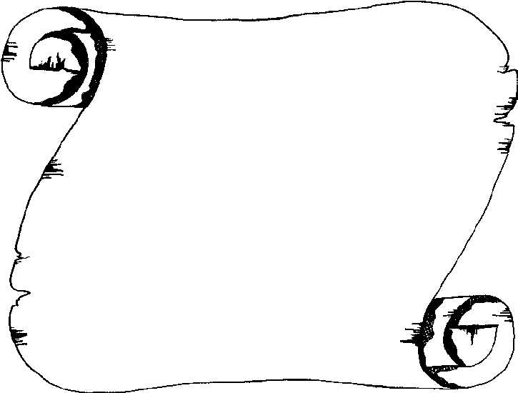

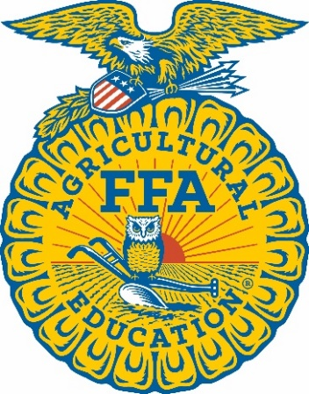

 |  |  |  | Missouri |  |  | Association

 |  |  |  |  | Presented to
 |  |  |  |  | Talent Member's name
 |  |  |  |  | a member of the Chapter name Chapter
 |  |  |  |  | of the Missouri FFA Association

 |  | State FFA Talent

 |  |  |  |  | for honorable participation
 |  |  |  |  | At the 96th Annual State Convention
 |  |  |  |  | Given this 19th day of April 2024.



 | State FFA President |  |  |  |  | State FFA Advisor

 | State FFA Secretary |  |  |  | State FFA Executive Secretary

