SD Certificate
We HIGHLY recommend that a high quality certificate paper or parchment is used to print these certificates.

Note:
1. Type in the information below.
2. If needed, set the print area at A18: J64. (File-Print Area-Set Print Area)
3. Click on the print icon or (File-Print) to print the certificate and
4. Then type in the next persons name & FFA Chapter.
5. Repeat these steps until all certificates are printed.

Recipient's Name |  | Your Name
FFA Chapter Name |  | Anytown

Missouri FFA Association
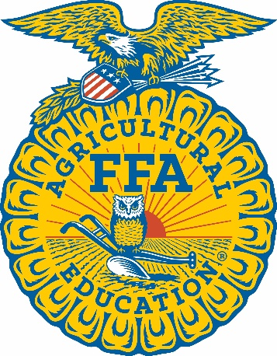

The National Organization for Students in Agricultural Education
Founded 1928

This Certifies that

Your Name

of the

Anytown FFA Chapter

was awarded the

STATE FFA DEGREE

at the 96th Annual State FFA Convention
and is entitled to this testimonial

Given this 19th day of April, 2024

 | State President |  | Assistant Commissioner

 | State FFA Secretary |  | State FFA Advisor

