Template Instructions
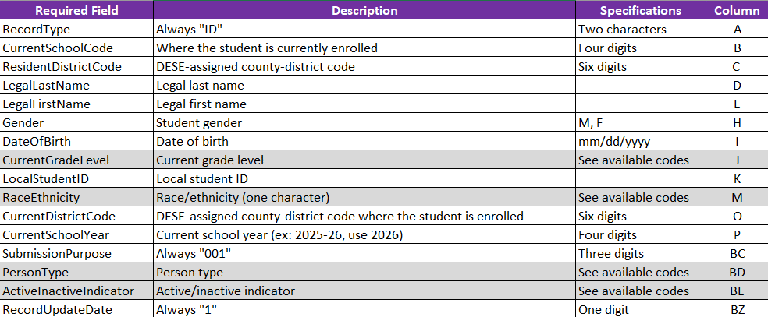
DirectMatch 3.0 Template Instructions
The Office of Data System Management has created a template that can be used to upload student information for DirectMatch direct certification for public and non-public LEAs that do not have a SIS vendor system 3.0 file export. The DirectMatch template can be found here: https://dese.mo.gov/data-system-management/core-datamosis/file-layouts-2025-26.
Data Requirements
The DirectMatch system requires 78 field positions to be included in the 3.0 DirectMatch file layout. The Missouri Department of Elementary and Secondary Education (DESE) only requires 16 of the 78 fields to be populated with information.
The fields that are required are noted below and are also highlighted in yellow in the DirectMatch Batch 3.0 Template. (The remaining 61 field columns have been hidden in the Excel file.)
Four of the sixteen required fields have a specific code that must be used. These codes are highlighted in gray below. The available code sets can be found on the third tab of this document.
Header and Trailer Requirements
The file must also include “Header” and “Trailer” rows. An example of each can be found below.
Header
The header row should look like the sample above. The date and time in the header need to be updated to reflect the current
date and time that the file is being uploaded. (You do not have to complete the “seconds” field, but leave the “00” placeholder.)
Trailer
The trailer row should look like the sample above. The third cell containing the “5” is the total number of records in the file,
including the header and trailer rows. This field will need to be updated to reflect the total number of records in the file.
Completing the DirectMatch Batch 3.0 Template (located on the second tab of this document)
1. Open the DirectMatch file template. The template can be found here:
https://dese.mo.gov/data-system-management/core-datamosis/file-layouts-2025-26.
2. Copy and paste the required student information in the Excel spreadsheet.
3. Ensure all fields are formatted correctly.
-ResidentDistrictCode and CurrentDistrictCode should include a leading zero in the file if applicable.
Ex: 001001 (columns B & O)
-Grades 01-09 should contain the leading zero in the file (column J).
-The SubmissionPurpose and PersonType should include a leading zero.
4. Update the header date and time. See Header information above.
5. Delete row two of the template that contains the column headers. (These cannot be uploaded.)
6. Add a trailer record to the last three cells in your template. See Trailer information above.
-First cell: Always "TT"
-Second cell: Always "N/A"
-Third cell: Total rows in the template (including header and trailer)
7. Save the template as “Text (tab delimited)."
8. Upload your file using the File Upload Matching Option 3.
Copyright eScholar LLC © 2025. All Rights Reserved.

